Demo Chart List
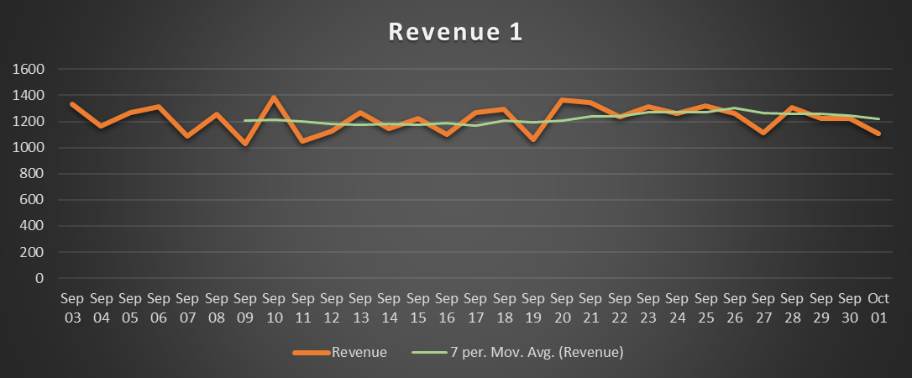
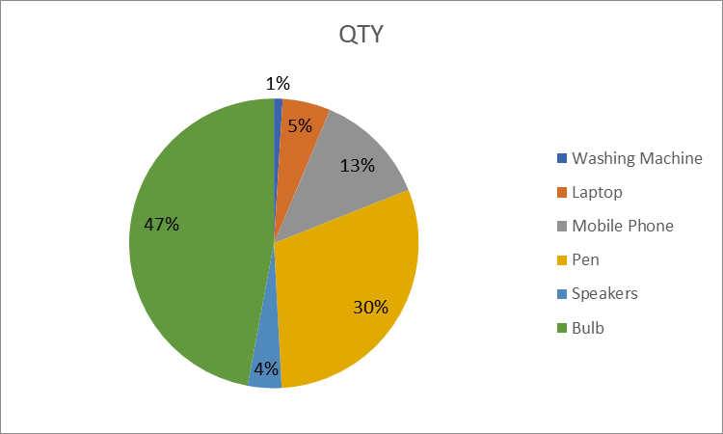
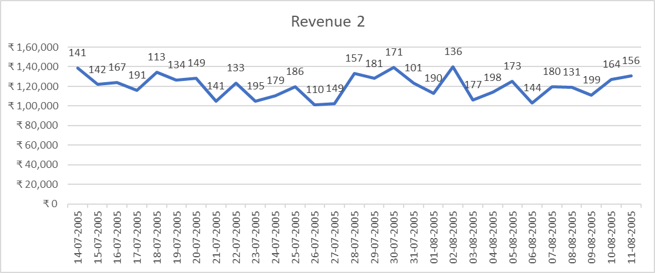
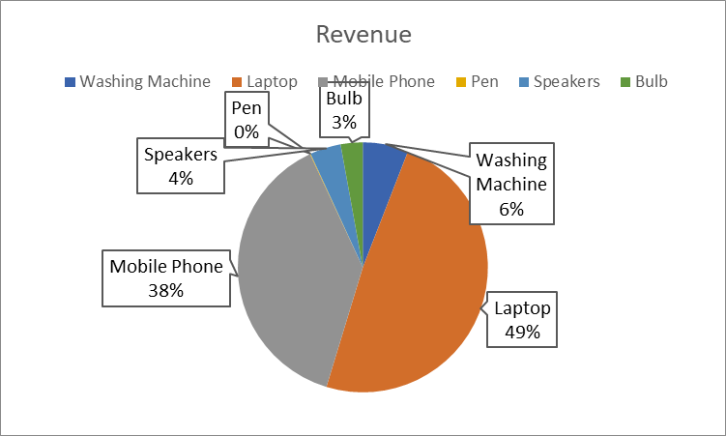
Line charts | Pie Charts

Line charts data
Revenue 1

Date | Revenue | Date | Revenue 2 | Data Labels | Date | Revenue
2006-09-03 | 1332 | 2005-07-14 | ₹ 138,576 | 141 | 38477 | 1350
2006-09-04 | 1165 | 2005-07-15 | ₹ 121,831 | 142 | 38478 | 1317
2006-09-05 | 1268 | 2005-07-16 | ₹ 123,963 | 167 | 38479 | 1131
2006-09-06 | 1316 | 2005-07-17 | ₹ 116,021 | 191 | 38480 | 1334
2006-09-07 | 1088 | 2005-07-18 | ₹ 134,565 | 113 | 38481 | 1006
2006-09-08 | 1255 | 2005-07-19 | ₹ 126,362 | 134 | 38482 | 1101
2006-09-09 | 1033 | 2005-07-20 | ₹ 128,405 | 149 | 38483 | 1313
2006-09-10 | 1384 | 2005-07-21 | ₹ 105,143 | 141 | 38484 | 1151
2006-09-11 | 1048 | 2005-07-22 | ₹ 123,349 | 133 | 38485 | 1036
2006-09-12 | 1127 | 2005-07-23 | ₹ 104,705 | 195 | 38486 | 1074
2006-09-13 | 1266 | 2005-07-24 | ₹ 110,691 | 179 | 38487 | 1310
2006-09-14 | 1147 | 2005-07-25 | ₹ 119,971 | 186 | 38488 | 1318
2006-09-15 | 1225 | 2005-07-26 | ₹ 101,178 | 110 | 38489 | 1337
2006-09-16 | 1101 | 2005-07-27 | ₹ 102,175 | 149 | 38490 | 1391
Revenue 2
 | Revenue 2 | Data Labels
7/16/2005 | ₹ 123,963 | 167
7/17/2005 | ₹ 116,021 | 191
7/18/2005 | ₹ 134,565 | 113
7/19/2005 | ₹ 126,362 | 134
7/20/2005 | ₹ 128,405 | 149
7/21/2005 | ₹ 105,143 | 141
7/22/2005 | ₹ 123,349 | 133
7/23/2005 | ₹ 104,705 | 195
7/24/2005 | ₹ 110,691 | 179
7/25/2005 | ₹ 119,971 | 186
7/26/2005 | ₹ 101,178 | 110
7/27/2005 | ₹ 102,175 | 149
7/28/2005 | ₹ 133,281 | 157
7/29/2005 | ₹ 128,002 | 181
7/30/2005 | ₹ 139,623 | 171
7/31/2005 | ₹ 123,532 | 101
8/1/2005 | ₹ 113,162 | 190
8/2/2005 | ₹ 139,893 | 136
8/3/2005 | ₹ 106,341 | 177
8/4/2005 | ₹ 113,834 | 198
8/5/2005 | ₹ 125,406 | 173
8/6/2005 | ₹ 102,855 | 144
8/7/2005 | ₹ 119,915 | 180
8/8/2005 | ₹ 119,062 | 131
8/9/2005 | ₹ 111,354 | 199
8/10/2005 | ₹ 126,884 | 164
8/11/2005 | ₹ 130,659 | 156
2006-09-17 | 1266 | 2005-07-28 | ₹ 133,281 | 157 | 38491 | 1006
2006-09-18 | 1296 | 2005-07-29 | ₹ 128,002 | 181 | 38492 | 1299
2006-09-19 | 1059 | 2005-07-30 | ₹ 139,623 | 171 | 38493 | 1187
2006-09-20 | 1367 | 2005-07-31 | ₹ 123,532 | 101 | 38494 | 1322
2006-09-21 | 1344 | 2005-08-01 | ₹ 113,162 | 190 | 38495 | 1391
2006-09-22 | 1234 | 2005-08-02 | ₹ 139,893 | 136 | 38496 | 1267
2006-09-23 | 1314 | 2005-08-03 | ₹ 106,341 | 177 | 38497 | 1379
2006-09-24 | 1263 | 2005-08-04 | ₹ 113,834 | 198 | 38498 | 1367
2006-09-25 | 1317 | 2005-08-05 | ₹ 125,406 | 173 | 38499 | 1394
2006-09-26 | 1264 | 2005-08-06 | ₹ 102,855 | 144 | 38500 | 1027
2006-09-27 | 1115 | 2005-08-07 | ₹ 119,915 | 180 | 38501 | 1274
2006-09-28 | 1304 | 2005-08-08 | ₹ 119,062 | 131 | 38502 | 1195
2006-09-29 | 1220 | 2005-08-09 | ₹ 111,354 | 199 | 38503 | 1215
2006-09-30 | 1225 | 2005-08-10 | ₹ 126,884 | 164 | 38504 | 1009
2006-10-01 | 1105 | 2005-08-11 | ₹ 130,659 | 156 | 38505 | 1083

charts
Line Charts | Pie Charts

Revenue 1
 | Revenue
2006-09-03 | 1332
2006-09-04 | 1165
2006-09-05 | 1268
2006-09-06 | 1316
2006-09-07 | 1088
2006-09-08 | 1255
2006-09-09 | 1033
2006-09-10 | 1384
2006-09-11 | 1048
2006-09-12 | 1127
2006-09-13 | 1266
2006-09-14 | 1147
2006-09-15 | 1225
2006-09-16 | 1101
2006-09-17 | 1266
2006-09-18 | 1296
2006-09-19 | 1059
2006-09-20 | 1367
2006-09-21 | 1344
2006-09-22 | 1234
2006-09-23 | 1314
2006-09-24 | 1263
2006-09-25 | 1317
2006-09-26 | 1264
2006-09-27 | 1115
2006-09-28 | 1304
2006-09-29 | 1220
2006-09-30 | 1225
2006-10-01 | 1105
 | QTY | QTY | QTY | QTY
Washing Machine | 331 | 331 | 331 | 331
Laptop | 1821 | 1821 | 1821 | 1821
Mobile Phone | 4291 | 4291 | 4291 | 4291
Pen | 10230 | 10230 | 10230 | 10230
Speakers | 1283 | 1283 | 1283 | 1283
Bulb | 15972 | 15972 | 15972 | 15972

 | Revenue 2
7/14/2005 | ₹ 138,576
7/15/2005 | ₹ 121,831
7/16/2005 | ₹ 123,963
7/17/2005 | ₹ 116,021
7/18/2005 | ₹ 134,565
7/19/2005 | ₹ 126,362
7/20/2005 | ₹ 128,405
7/21/2005 | ₹ 105,143
7/22/2005 | ₹ 123,349
7/23/2005 | ₹ 104,705
7/24/2005 | ₹ 110,691
7/25/2005 | ₹ 119,971
7/26/2005 | ₹ 101,178
7/27/2005 | ₹ 102,175
7/28/2005 | ₹ 133,281
7/29/2005 | ₹ 128,002
7/30/2005 | ₹ 139,623
7/31/2005 | ₹ 123,532
8/1/2005 | ₹ 113,162
8/2/2005 | ₹ 139,893
8/3/2005 | ₹ 106,341
8/4/2005 | ₹ 113,834
8/5/2005 | ₹ 125,406
8/6/2005 | ₹ 102,855
8/7/2005 | ₹ 119,915
8/8/2005 | ₹ 119,062
8/9/2005 | ₹ 111,354
8/10/2005 | ₹ 126,884
8/11/2005 | ₹ 130,659
 | Revenue | QTY | QTY | QTY
Washing Machine | 6620000 | 331 | 331 | 331
Laptop | 54630000 | 1821 | 1821 | 1821
Mobile Phone | 42910000 | 4291 | 4291 | 4291
Pen | 102300 | 10230 | 10230 | 10230
Speakers | 4490500 | 1283 | 1283 | 1283
Bulb | 3194400 | 15972 | 15972 | 15972

Pie Charts data
Items | QTY | Price | Revenue
Washing Machine | 331 | 20000 | 6620000
Laptop | 1821 | 30000 | 54630000
Mobile Phone | 4291 | 10000 | 42910000
Pen | 10230 | 10 | 102300
Speakers | 1283 | 3500 | 4490500
Bulb | 15972 | 200 | 3194400

Combo Chart Data
1) Revenue & Qty
2) Revenue & Qty
Date | Revenue 4 | Qty
2005-06-11 | 1M | 123
2005-06-12 | 1M | 284
2005-06-13 | 1M | 172
2005-06-14 | 1M | 145
2005-06-15 | 1M | 138
2005-06-16 | 1M | 234
2005-06-17 | 1M | 287
2005-06-18 | 1M | 210
2005-06-19 | 1M | 154
2005-06-20 | 1M | 101
2005-06-21 | 1M | 105
2005-06-22 | 1M | 290
2005-06-23 | 1M | 213
2005-06-24 | 1M | 143
2005-06-25 | 1M | 257
2005-06-26 | 1M | 192
2005-06-27 | 1M | 196
2005-06-28 | 1M | 199
2005-06-29 | 1M | 219
2005-06-30 | 1M | 276
2005-07-01 | 1M | 159
2005-07-02 | 1M | 203
2005-07-03 | 1M | 138
2005-07-04 | 1M | 206
2005-07-05 | 1M | 124
2005-07-06 | 1M | 217
2005-07-07 | 1M | 167
2005-07-08 | 1M | 299
2005-07-09 | 1M | 254

Combo Chart Sheet
Revenue and QTY
 | Revenue 4 | Qty
6/11/2005 | 1M | 123
6/12/2005 | 1M | 284
6/13/2005 | 1M | 172
6/14/2005 | 1M | 145
6/15/2005 | 1M | 138
6/16/2005 | 1M | 234
6/17/2005 | 1M | 287
6/18/2005 | 1M | 210
6/19/2005 | 1M | 154
6/20/2005 | 1M | 101
6/21/2005 | 1M | 105
6/22/2005 | 1M | 290
6/23/2005 | 1M | 213
6/24/2005 | 1M | 143
6/25/2005 | 1M | 257
6/26/2005 | 1M | 192
6/27/2005 | 1M | 196
6/28/2005 | 1M | 199
6/29/2005 | 1M | 219
6/30/2005 | 1M | 276
7/1/2005 | 1M | 159
7/2/2005 | 1M | 203
7/3/2005 | 1M | 138
7/4/2005 | 1M | 206
7/5/2005 | 1M | 124
7/6/2005 | 1M | 217
7/7/2005 | 1M | 167
7/8/2005 | 1M | 299
7/9/2005 | 1M | 254

